Sheet1
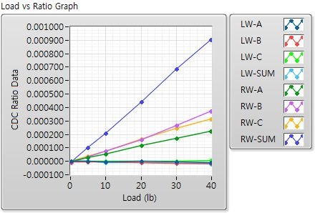
 | Mark10 Gauge(lb) | Left Wing-A | Left Wing-B | Left Wing-C | Left Wing-SUM | Right Wing-A | Right Wing-B | Right Wing-C | Right Wing-SUM
Offset (Init) | 0 | 0.99710913 | 0.99966111 | 0.99898257 | - | 1.00729492 | 1.00963793 | 1.000404 | -
Offset (Load) | 0.15 | 0.99710572 | 0.99966309 | 0.99898369 | - | 1.00730414 | 1.00965757 | 1.00044298 | - | C0=31pF
Init(1)-70lb | 34.85 | 0.00000334 | -0.00000644 | 0.00000634 | 0.00000324 | 0.00021279 | 0.00028601 | 0.00029371 | 0.0007925 | Sensitivity (fF/lb)
Init(2)-140lb | 70.05 | 0.00000057 | -0.00000672 | 0.0000073 | 0.00000114 | 0.00043786 | 0.00062313 | 0.00059574 | 0.00165672 | R-A
Load(1)-0lb | 0.15 | 0.00000226 | -0.0000026 | 0.00000207 | 0.00000174 | 0.00000024 | -0.00000801 | 0.00000219 | -0.00000558
Load(2)-10lb | 4.9 | -0.00000107 | -0.00000184 | 0.0000036 | 0.00000069 | 0.00003009 | 0.00003538 | 0.00003805 | 0.00010352 | 0.22383265306 | 0.2407244898 | 0.65492244898
Load(3)-20lb | 9.85 | -0.00000546 | -0.00000479 | -0.00000002 | -0.00001028 | 0.00005593 | 0.00007553 | 0.00007524 | 0.00020671 | 0.23770862944 | 0.23679593909 | 0.65055939086
Load(4)-40lb | 20 | -0.00000098 | -0.00001099 | 0.00000074 | -0.00001123 | 0.00011706 | 0.00015793 | 0.00016661 | 0.0004416 | 0.2447915 | 0.2582455 | 0.68448
Load(5)-60lb | 30.1 | -0.00000517 | -0.00001347 | 0.0000035 | -0.00001514 | 0.00017152 | 0.0002676 | 0.00024595 | 0.00068507 | 0.2756013289 | 0.25330398671 | 0.7055538206
Load(6)-80lb | 39.85 | -0.00001023 | -0.0000128 | 0.00000436 | -0.00001867 | 0.00022235 | 0.00037069 | 0.00031366 | 0.00090671 | 0.28836612296 | 0.24400150565 | 0.70534529486

